Power Pivot Setup
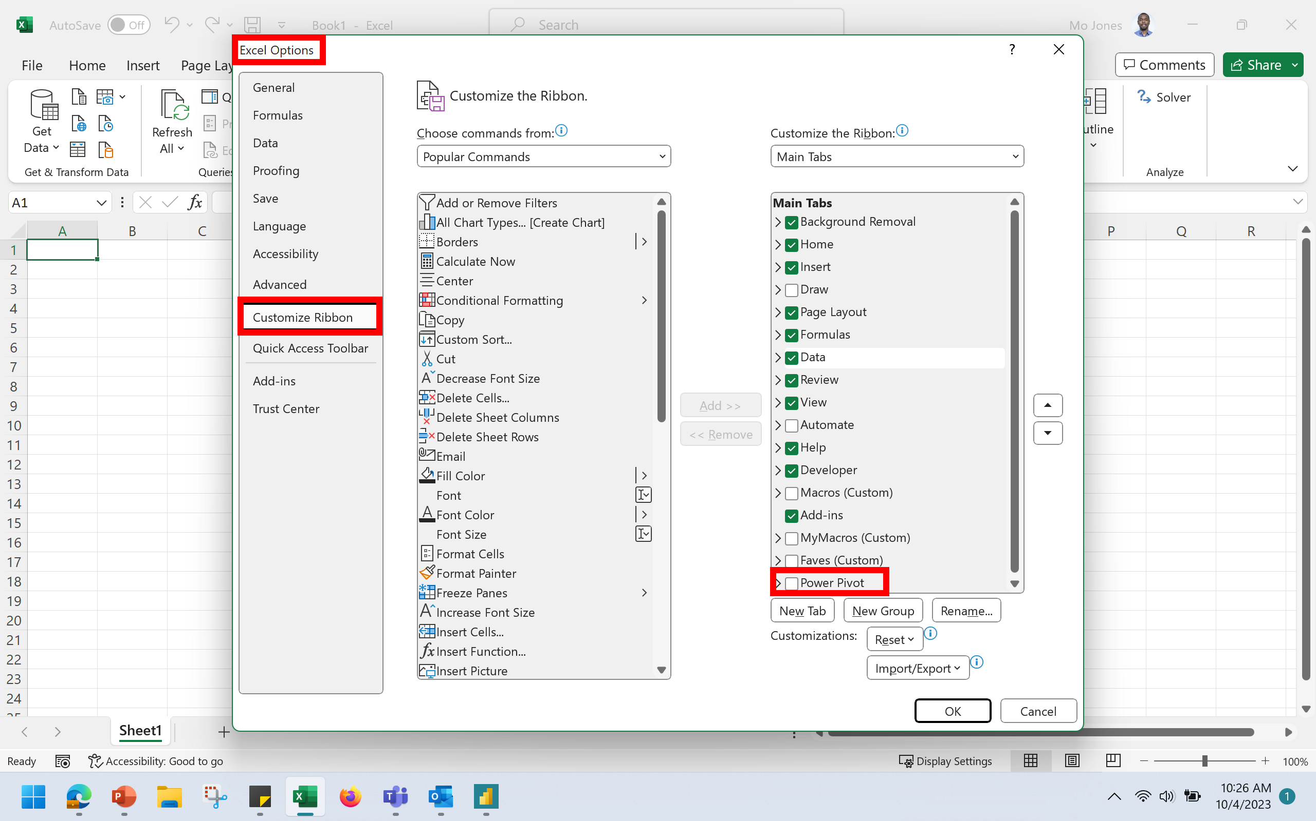

Sheet4
Row Labels | Sum of SALE
Salem | $21,152.00
Grand Total | $21,152.00

Sheet5
Row Labels | Sum of SALE
TX | $17,647.00
Grand Total | $17,647.00

